statment
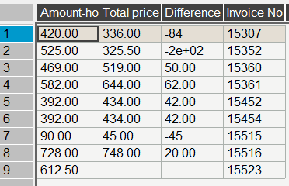
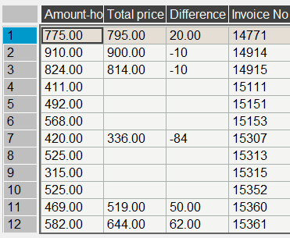
Booking No. | Invoice No. | Res_date | Arrival | Departure | Rate code | Night | Rate $ | Amount-hotel | pax
116345116996 | 15515 | 20/01/2025 | 21/01/2025 | 23/01/2025 | jon | 2 | 45.00 | 90.00 | 1
116345116996 | 15515 | 20/01/2025 | 21-01-205 | 23/01/2025 | SGL-DEX | #VALUE! | 45.00 | #VALUE! | 1
116345116996 | 15515 | 20/01/2025 | 21-01-205 | 23/01/2025 | jon | #VALUE! | 45.00 | #VALUE! | 1
116345116996 | 15515 | 20/01/2025 | 21-01-205 | 23/01/2025 |  | #VALUE! | 45.00 | #VALUE! | 1

contract
first date | second date | SGL-DEX | DBL-DEX | TPL-DEX | SGL-BUN | DBL-BUNG | TPL-BUNG | DBL-BUN+CH | SGL-CH
2024-05-01 | 2024-05-10 | 69 | 86 | 120 | 76 | 100 | 141 | 107.5 | 64.5
2024-05-11 | 2024-06-30 | 62 | 78 | 108 | 69 | 92 | 129 | 97.5 | 58.5
2024-07-01 | 2024-07-31 | 59 | 74 | 102 | 66 | 88 | 123 | 92.5 | 55.5
2024-08-01 | 2024-08-31 | 80 | 100 | 141 | 87 | 114 | 162 | 125 | 75
2024-09-01 | 2024-09-30 | 59 | 74 | 102 | 66 | 88 | 123 | 92.5 | 55.5
2024-10-01 | 2024-10-31 | 80 | 100 | 141 | 87 | 114 | 162 | 125 | 75
2024-11-01 | 2024-11-15 | 78 | 98 | 138 | 85 | 112 | 159 | 122.5 | 73.5
2024-11-16 | 2024-12-23 | 58 | 72 | 99 | 65 | 86 | 120 | 90 | 54
2024-12-24 | 2025-01-10 | 82 | 102 | 144 | 89 | 116 | 165 | 127.5 | 76.5
2025-01-11 | 2025-02-28 | 50 | 62 | 84 | 57 | 76 | 105 | 77.5 | 46.5
2025-03-01 | 2025-03-23 | 58 | 72 | 99 | 65 | 86 | 120 | 90 | 54
2025-03-24 | 2025-04-08 | 62 | 78 | 108 | 69 | 92 | 129 | 97.5 | 58.5
2025-04-09 | 2025-04-30 | 74 | 86 | 129 | 81 | 100 | 150 | 107.5 | 64.5

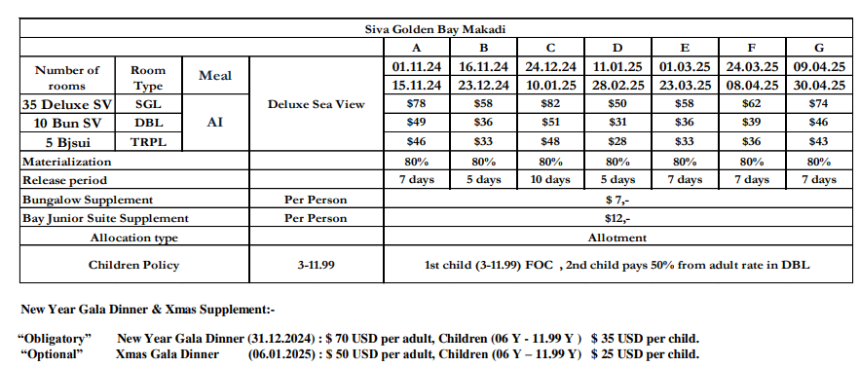
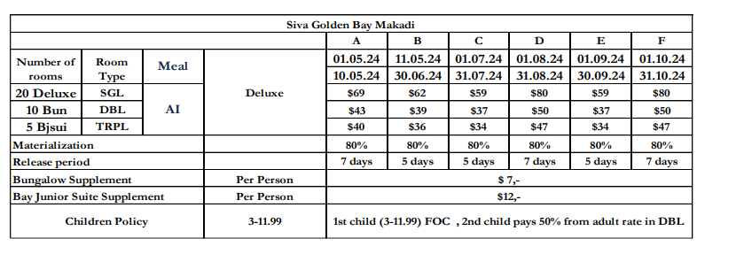

 |  |  |  | 2013-07-17
 |  |  |  | 0.0015316205534

spo from 14.07 to 11.10
first date | second date | SGL-DEX | DBL-DEX | TPL-DEX | SGL-BUN | DBL-BUNG | TPL-BUNG | DBL-BUN+CH | SGL-CH
2024-07-14 | 2024-07-31 | 59 | 74 | 102 | 66 | 88 | 123 | 92.5 | 55.5
2024-08-01 | 2024-08-31 | 51 | 64 | 87 | 58 | 78 | 81 | 80 | 48
2024-09-01 | 2024-09-30 | 53 | 66 | 90 | 60 | 80 | 75 | 82.5 | 49.5
2024-10-01 | 2024-10-31 | 59 | 74 | 102 | 66 | 88 | 75 | 92.5 | 55.5
2024-11-01 | 2024-11-15 | 78 | 98 | 138 | 85 | 112 | 159 | 122.5 | 73.5
2024-11-16 | 2024-12-23 | 58 | 72 | 99 | 65 | 86 | 120 | 90 | 54
2024-12-24 | 2025-01-10 | 82 | 102 | 144 | 89 | 116 | 165 | 127.5 | 76.5
2025-01-11 | 2025-02-28 | 50 | 62 | 84 | 57 | 76 | 105 | 77.5 | 46.5
2025-03-01 | 2025-03-23 | 58 | 72 | 99 | 65 | 86 | 120 | 90 | 54
2025-03-24 | 2025-04-08 | 62 | 78 | 108 | 69 | 92 | 129 | 97.5 | 58.5
2025-04-09 | 2025-04-30 | 74 | 86 | 129 | 81 | 100 | 150 | 107.5 | 64.5

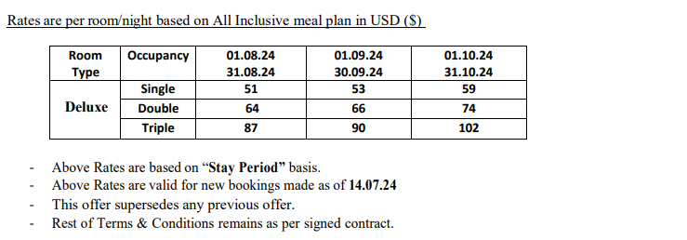
 |  |  |  |  |  |  |  |  |  | 46.5
 |  |  |  |  |  |  |  |  |  | 15.5

spo from 12.10 to 15.11
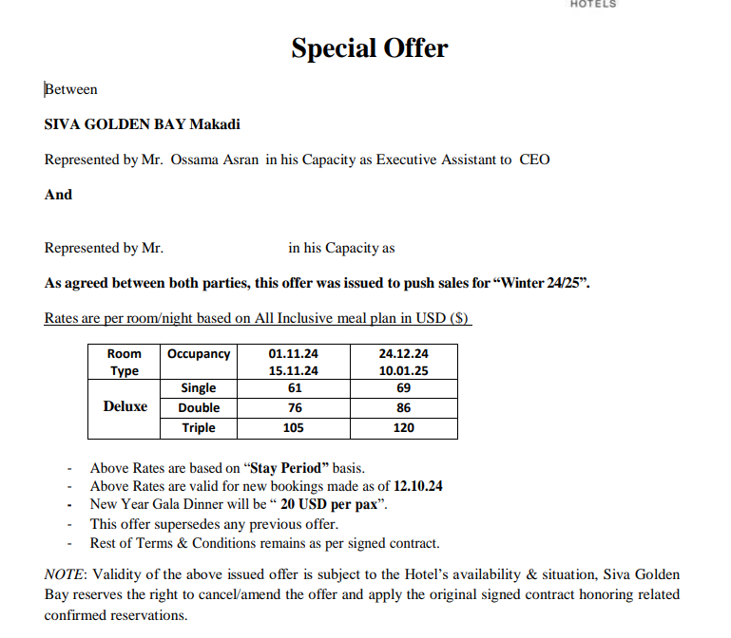
first date | second date | SGL-DEX | DBL-DEX | TPL-DEX | SGL-BUN | DBL-BUNG | TPL-BUNG | DBL-BUN+CH | SGL-CH
2024-10-12 | 2024-10-31 | 59 | 74 | 102 | 66 | 88 | 123 | 92.5 | 55.5
2024-11-01 | 2024-11-15 | 61 | 76 | 105 | 68 | 90 | 126 | 95 | 57
2024-11-16 | 2024-12-23 | 58 | 72 | 99 | 65 | 86 | 120 | 90 | 54
2024-12-24 | 2025-01-10 | 69 | 86 | 120 | 76 | 100 | 141 | 107.5 | 64.5

spo from 16.11 to 28.02
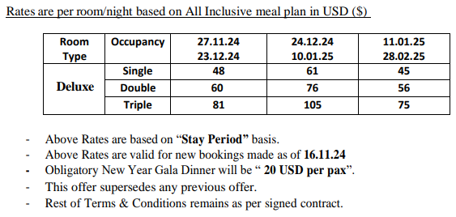
first date | second date | SGL-DEX | DBL-DEX | TPL-DEX | SGL-BUN | DBL-BUNG | TPL-BUNG | DBL-BUN+CH | SGL-CH
2024-11-16 | 2024-11-26 | 58 | 72 | 99 | 65 | 86 | 120 | 107.5 | 54
2024-11-27 | 2024-12-23 | 48 | 60 | 81 | 55 | 74 | 102 | 92.5 | 45
2024-12-24 | 2025-01-10 | 61 | 76 | 105 | 68 | 90 | 126 | 112.5 | 57
2025-01-11 | 2025-02-28 | 45 | 56 | 75 | 52 | 70 | 96 | 87.5 | 42

